Pin Definition
Pin Definition
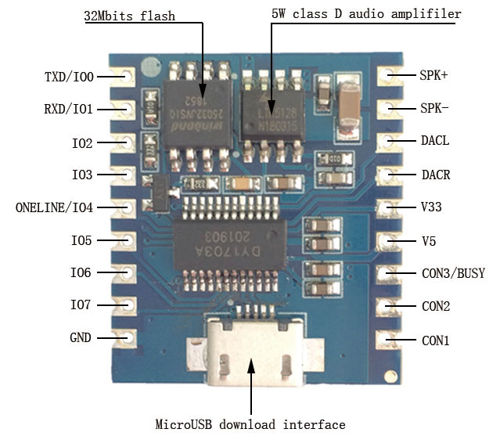 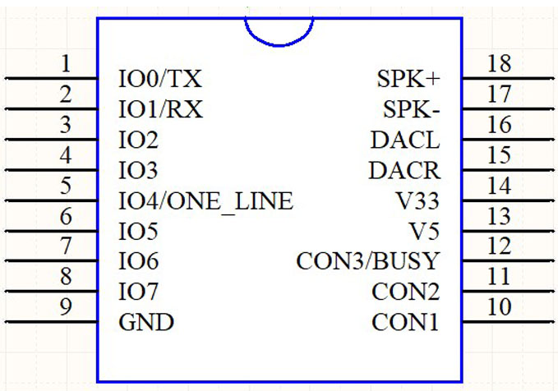

No. | Pin Name | Instruction
1 | TXD/IO0 | IO trigger mode is input IO0;UART mode is TX.
2 | RXD/IO1 | IO trigger mode is input IO1;UART mode is RX.
3 | IO2 | IO trigger mode input IO2.
4 | IO3 | IO trigger mode input IO3.
5 | IO4/ONE_LINE | IO mode input IO4;One_Line mode data receiver pin.
6 | IO5 | IO trigger mode input IO5.
7 | IO6 | IO trigger mode input IO6.
8 | IO7 | IO trigger mode input IO7.
9 | GND | Ground
10 | CON1 | Mode Configuration pin1.
11 | CON2 | Mode Configuration pins2.
12 | CON3/BUSY | It is Mode configuration pin3 within 30ms after power on.Then is BUSY output.Output low level signal(0V) when playing and output high(3.3V) after playing.

13 | V5 | 5V work voltage positive pole input terminal
14 | V33 | 3.3V output voltage positive(Max 80mA)
15 | DACR | Audio left channel output
16 | DACL | Audio right channel output
17 | SPK- | 5W Amplifier Output - and connect to speaker
18 | SPK+ | 5W Amplifier Output + and connect to speaker

One_line
One_line Single Bus Mode
Command(HEX) | Function | Note
0x00 | No. 0 | The number 0-9 has corresponding functions, such as selecting music, setting the volume, setting EQ, setting cycle mode, setting channel, setting the repertoire, and sending the digital at first and then send function command.
0x01 | No. 1
0x02 | No. 2
0x03 | No. 3
0x04 | No. 4
0x05 | No. 5
0x06 | No. 6
0x07 | No. 7
0x08 | No. 8
0x09 | No. 9
0x0A | Number reset | Sent the number of Cleared
0x0B | Confirm choosing song | Cooperate with Numbers to achieve.
0x0C | Volume setting
0x0D | EQ setting
0x0E | Loop mode setting
0x0F | Channel setting
0x10 | Interplay song setting
0x11 | Play | Note: "selection" and "interplay" are played according to the track name, for example, the track is named "00123. Mp3", and the selected data is "0x01", "0x02" "0x03" "0x0B", and the selection is completed.
0x12 | Pause
0x13 | Stop
0x14 | Previous
0x15 | Previous directory
0x16 | Next directory | 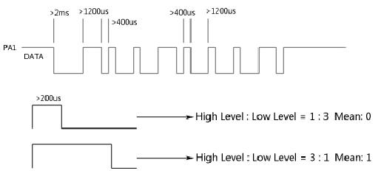
0x17 | SD card selection
0x18 | SD card selection
0x19 | U disk selection
0x1A | FLASH selection
0x1B | System sleep
0x1C | Stop Playing

